Title and Authors
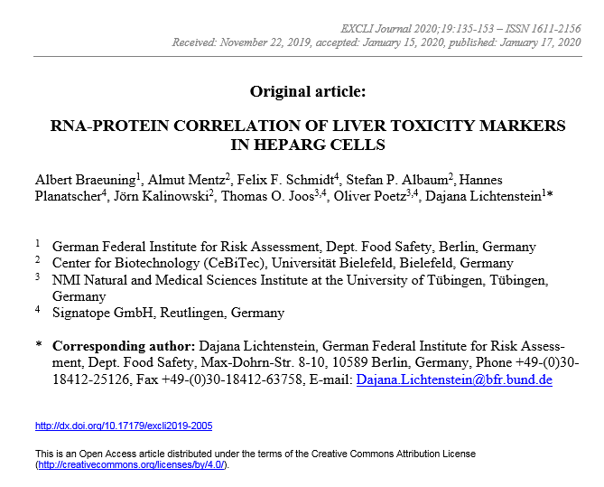
RNA-protein correlation of liver toxicity markers in HepaRG cells

Albert Braeuning1, Almut Mentz2, Felix F. Schmidt4, Stefan P. Albaum2, Hannes Planatscher4, Jörn Kalinowski2, Thomas O. Joos3,4, Oliver Poetz3,4, Dajana Lichtenstein1*

1German Federal Institute for Risk Assessment, Dept. Food Safety, Berlin, Germany
2Center for Biotechnology (CeBiTec), Universität Bielefeld, Bielefeld, Germany
3NMI Natural and Medical Sciences Institute at the University of Tübingen, Tübingen, Germany
4Signatope GmbH, Reutlingen, Germany

*Corresponding author:
Dajana Lichtenstein
German Federal Institute for Risk Assessment
Dept. Food Safety
Max-Dohrn-Str. 8-10, 10589 Berlin, Germany
Phone +49-(0)30-18412-25126
Fax +49-(0)30-18412-63758
e-mail: Dajana.Lichtenstein@bfr.bund.de

EXCLI Journal

